Problem Statement
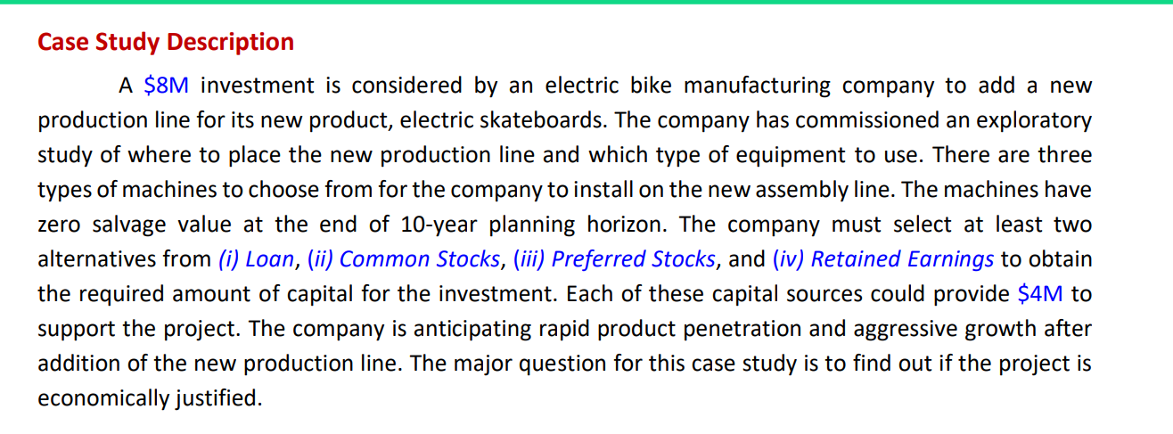
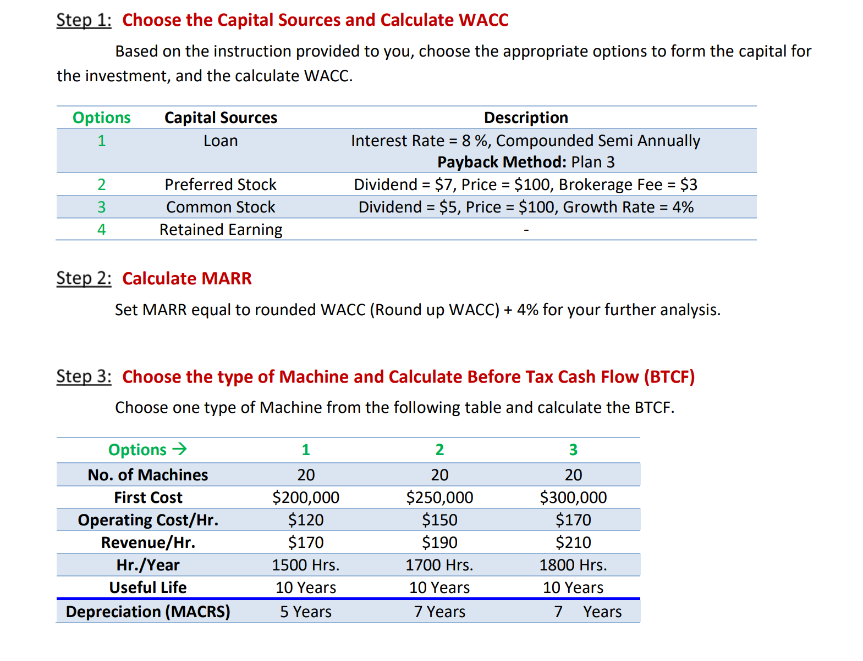
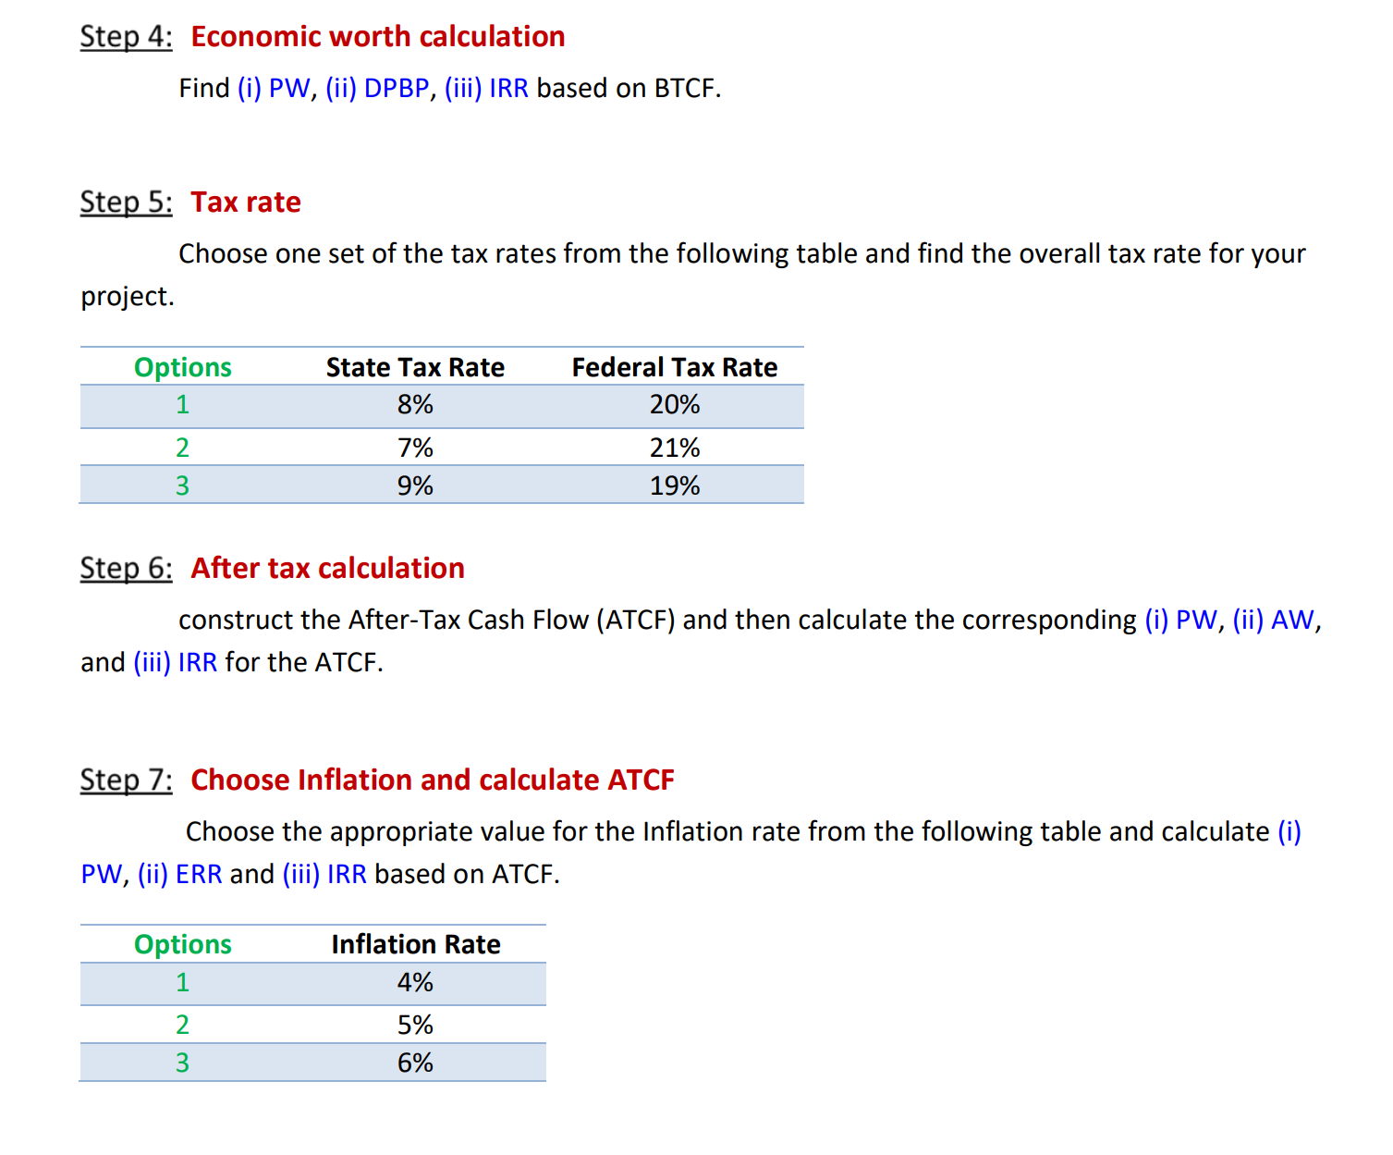
Full Name | Capital Source |  | Machine | Tax Rate | Inflation
 | Source 1 | Source 2
Ojasvi Pravin Dere | 2 | 1 | 3 | 1 | 1

